Supplementary Table S2
 |  | Coefficient |  |  |  | p-value |  |  |  | confidence interval |  |  |  | # observations
 |  | Gc | Gb | Fb | L | Gc | Gb | Fb | L | Gc | Gb | Fb | L
Dependent variable | Explanatory variable
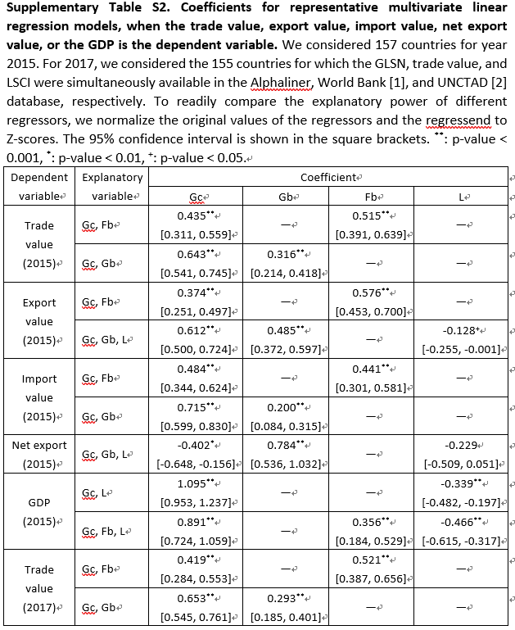
Trade value (2015) | Gc, Fb | 0.435 | — | 0.515 | — | ** | — | ** | — | [0.311, 0.559] | — | [0.391, 0.639] | — | 157
 | Gc, Gb | 0.643 | 0.316 | — | — | ** | ** | — | — | [0.541, 0.745] | [0.214, 0.418] | — | — | 157
Export value (2015) | Gc, Fb | 0.374 | — | 0.576 | — | ** | — | ** | — | [0.251, 0.497] | — | [0.453, 0.7] | — | 157
 | Gc, Gb, L | 0.612 | 0.485 | — | -0.128 | ** | ** | — | + | [0.5, 0.724] | [0.372, 0.597] | — | [-0.255, -0.001] | 157
Import value (2015) | Gc, Fb | 0.484 | — | 0.441 | — | ** | — | ** | — | [0.344, 0.624] | — | [0.301, 0.581] | — | 157
 | Gc, Gb | 0.715 | 0.2 | — | — | ** | ** | — | — | [0.599, 0.83] | [0.084, 0.315] | — | — | 157
Net export (2015) | Gc, Gb, L | -0.402 | 0.784 | — | -0.229 | * | ** | — | NaN | [-0.648, -0.156] | [0.536, 1.032] | — | [-0.509, 0.051] | 157
GDP (2015) | Gc, L | 1.095 | — | — | -0.339 | ** | — | — | ** | [0.953, 1.237] | — | — | [-0.482, -0.197] | 157
 | Gc, Fb, L | 0.891 | — | 0.356 | -0.466 | ** | — | ** | ** | [0.724, 1.059] | — | [0.184, 0.529] | [-0.615, -0.317] | 157
Trade value (2017) | Gc, Fb | 0.419 | — | 0.521 | — | ** | — | ** | — | [0.284, 0.553] | — | [0.387, 0.656] | — | 155
 | Gc, Gb | 0.653 | 0.293 | — | — | ** | ** | — | — | [0.545, 0.761] | [0.185, 0.401] | — | — | 155

